Sheet1
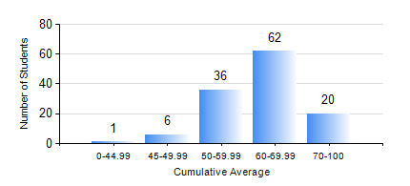
 |  |  | KWAME NKRUMAH UNIVERSITY OF SCIENCE AND TECHNOLOGY, KUMASI Department of Mechanical Engineering

 |  |  | BSC. INDUSTRIAL ENG.

 |  |  | COMPREHENSIVE RECORD OF EXAMINATION RESULTS

 |  |  | RESULTS OF YEAR 3 SECOND SEMESTER, 2023/2024 ACADEMIC YEAR

 | Sn | Course Code |  | Course Name | Credit Hours | Min. Mark | Max. Mark | Avg. Mark | Std. Dev. | No. Passed | No. Trailed | No. (Df) | No. (I) | No. (I*) | No. Tagged(I,I*,Df) | Total
 | 0. |  |  |  |  |  |  | 0 | 0 | 0 | 0 | 0 | 0 | 0 | 0 | 3
 | 1. | IE 274 |  | SECOND YEAR DESIGN PROJECT | 2 | 55 | 55 | 55 | 0 | 1 | 0 | 0 | 0 | 0 | 0 | 1
 | 2. | IE 354 |  | LOGISTICS AND SUPPLY CHAIN ENGINEERING | 2 | 42 | 85 | 62 | 9.69 | 121 | 0 | 0 | 0 | 0 | 0 | 121
 | 3. | IE 356 |  | RELIABILITY ENGINEERING | 3 | 50 | 96 | 81 | 10.15 | 122 | 0 | 0 | 0 | 0 | 0 | 122
 | 4. | IE 358 |  | COMPUTER-AIDED DESIGN AND MANUFACTURING | 3 | 25 | 84 | 63 | 12.46 | 119 | 2 | 0 | 0 | 0 | 0 | 121
 | 5. | IE 360 |  | QUALITY ASSURANCE | 2 | 40 | 82 | 64 | 10.07 | 120 | 0 | 0 | 1 | 0 | 1 | 121
 | 6. | IE 362 |  | INDUSTRIAL ENGINEERING LAB III | 1 | 54 | 85 | 73 | 7.02 | 121 | 0 | 0 | 0 | 0 | 0 | 121
 | 7. | IE 366 |  | ADVANCED MANUFACTURING TECHNOLOGY I | 3 | 45 | 96 | 75 | 13.72 | 122 | 0 | 0 | 0 | 0 | 0 | 122
 | 8. | IE 368 |  | OPERATIONS RESEARCH II | 2 | 31 | 83 | 56 | 9.44 | 117 | 4 | 0 | 0 | 0 | 0 | 121

